bereken dichth
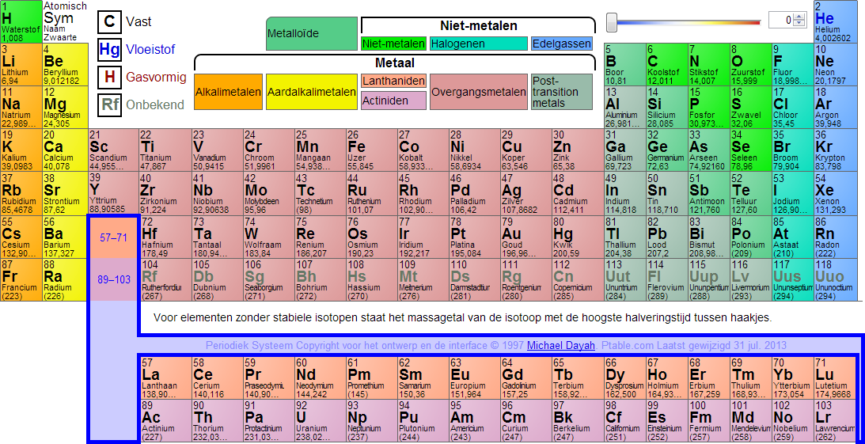
Voor molecuul massa gegevens periodiek systeem zie A31 |  |  |  | Voor mengsels en oplossingen bepaal van één tot mogelijk vijf meest voorkomende elementen in een mengsel de molecuulmassa met
Veel voorkomende verbindingselemenetn |  |  |  | aanwezige percentage het totaal wordt automatisch sheet 2 C340 geplaatst
om molecuulmassa te berekenen |  |  |  | Molecuulmassa mengsel | M element X * a% + M element Y * b% M element Z * c% (totaal percentage is 100%)
 |  | vul aantal atomen in | Totaal atoom massa | plak de molecuulmassa vanuit E19 als waarde /value of vanuit literaruur (MSDS chempub, Gestis) in de onderstaande groene vakken en geef het percentage (blauwe vakken) van het component in het mengsel/oplossing aan. Het totaal gaat automatisch naar sheet 2 C340
 | Koolstof ( C ) |  |  |  |  | MC massa | %-age | totaal
atoommassa | 12.011 | 0 | 0.000 | molecuulmassa 1e component |  | 0 | 0 | 0.000
 | Waterstof (H)
atoommassa | 1.008 | 0 | 0.000
 | Oxigen (O) |  |  | molecuulmassa 2e component |  | 0 | 0 | 0.000
atoommassa | 15.999 | 0 | 0.000
 | Chloor (CL)
atoommassa | 35.45 | 0 | 0.000 | molecuulmassa 3e component |  | 0 | 0 | 0.000
 | Zwavel (S)
atoommassa | 32.06 | 0 | 0.000
 | Stikstof (N) |  |  | molecuulmassa 4e component |  | 0 | 0 | 0.000
atoommassa | 14.007 | 0 | 0.000

 |  | totaal (molecuulmassa) | 0.000 | molecuulmassa 5e component |  | 0 | 0 | 0.000

 | De molecuulmassa kan direct naar sheet 2 C338 verplaatst worden |  |  |  | totaal (molecuulmassa mengsel/oplossing) |  |  | 0.000
 | voor één element of naar de componenten gegevens hiernaast

